Valuation
Trading Comparables Valuation

Workout
 | Using the following information, calculate the diluted equity value. |  |  | Gamestop

 | Share price | 30.93
 | Basic shares outstanding MM | 107.8
 | The footnote for stock options shows the following:

 |  | Number | Strike | Net new shares
 | Tranche 1 | 0.1 | 10.13 | 0.1
 | Tranche 2 | 0.2 | 20.18 | 0.1
 | Tranche 3 | 0.7 | 25.33 | 0.1
 | Tranche 4 | 0.8 | 45.98 | 0.0
 |  |  |  | 0.3

 | Basic shares outstanding MM | 107.8
 | Net new shares from options MM | 0.3
 | Diluted shares outstanding MM | 108.0
 | Share price | 30.93
 | Diluted equity value MM | 3,341.4

Workout
 | Using the following information, calculate the diluted equity value. |  |  | Safilo

 | Share price | 7.48
 | Basic shares outstanding MM | 62.5
 | The footnote for stock options shows the following:

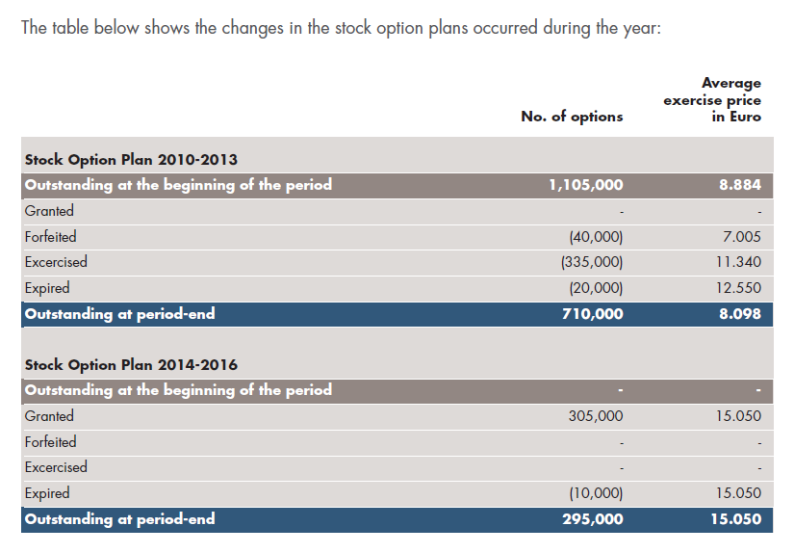
 | The footnote for stock options shows the following:

 | Basic shares outstanding MM | 62.5
 | Number of stock options MM - 2010 - 2013 plan | 0.7
 | Strike price - 2010 - 2013 plan | 8.10
 | Net new shares from options - 2010 - 2013 plan | 0.0
 | Number of stock options MM - 2014 - 2016 plan | 0.3
 | Strike price - 2014 - 2016 plan | 15.05
 | Net new shares from options - 2014 - 2016 plan | 0.0
 | Diluted shares outstanding MM | 62.5
 | Share price | 7.48
 | Diluted equity value | 467.8

Workout
 | Using the following information, calculate the diluted equity value. |  |  | Leapfrog

 | Share price | 0.96
 | Shares outstanding MM | 70.7
 | Footnote information below in thousands

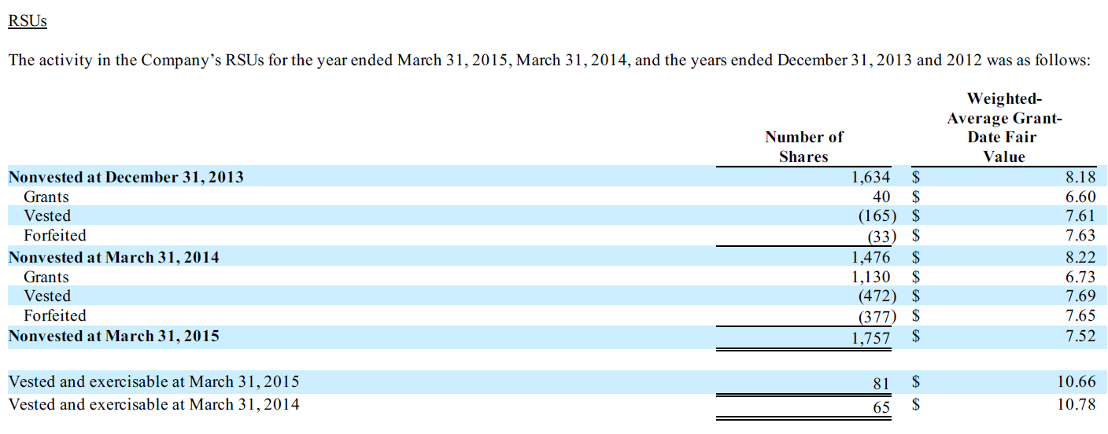

 | Basic shares outstanding MM | 70.7
 | Number of options | 6.8
 | Strike price | 6.9
 | Net new shares from options MM | 0.0
 | Net new shares from RSU's MM | 1.8
 | Diluted shares outstanding MM | 72.4
 | Diluted equity value MM | 69.5

Workout
 | Using the following information, calculate the diluted equity value. |  |  | Google

 | Class A shares outstanding MM | 292.6 | 1 vote per share
 | Class B shares outstanding MM | 50.2 | 10 votes per share. Held by insiders and converted to A shares, 1 for 1, prior to any sale.
 | Class C shares outstanding MM | 345.5 | 0 votes per share
 | Class A share price | 762.88
 | Class C share price | 743.38
 | Employee stock based compensation is for C shares

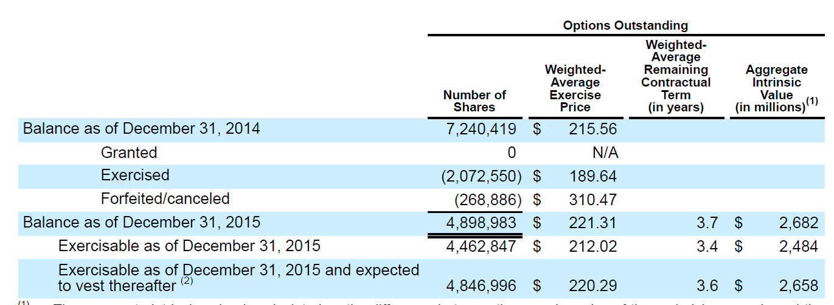

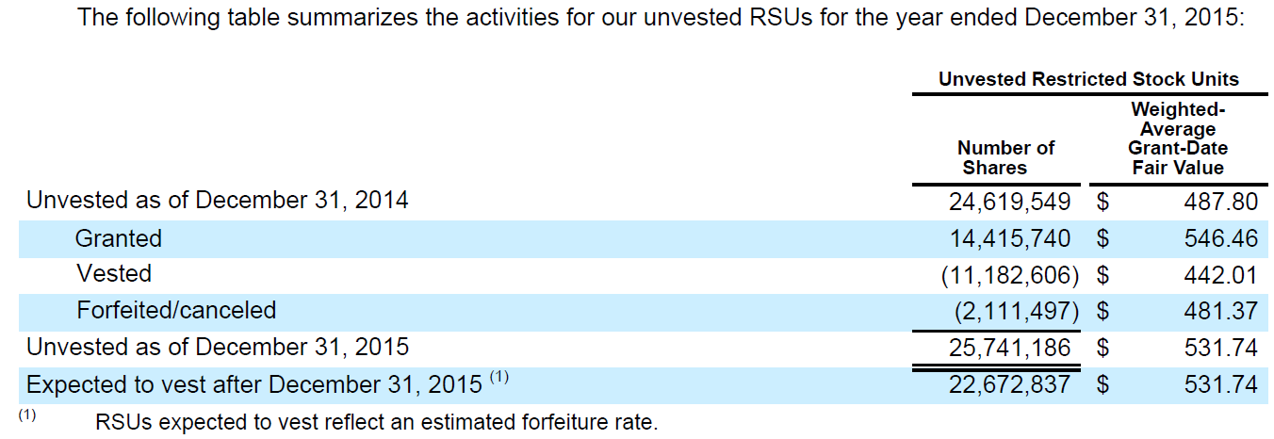

 | Class A shares outstanding MM | 292.6
 | Class B shares outstanding MM | 50.2
 | Class A and B shares outstanding MM | 342.8
 | Class A price | 762.88
 | Class A and B equity value MM | 261,500.4
 | Number of options | 4.9
 | Strike price | 221.3
 | Net new shares from options MM | 3.4
 | Net new shares from RSUs MM | 25.7
 | Class C diluted shares outstanding MM | 374.7
 | Class C diluted equity value MM | 278,560.1
 | Total diluted equity value MM | 540,060.5

Workout
 | Using the following information, calculate the diluted equity value. |  |  | BuildABear

 | Share price | 11.69
 | Shares outstanding MM | 17.4
 | Footnote information below in thousands.

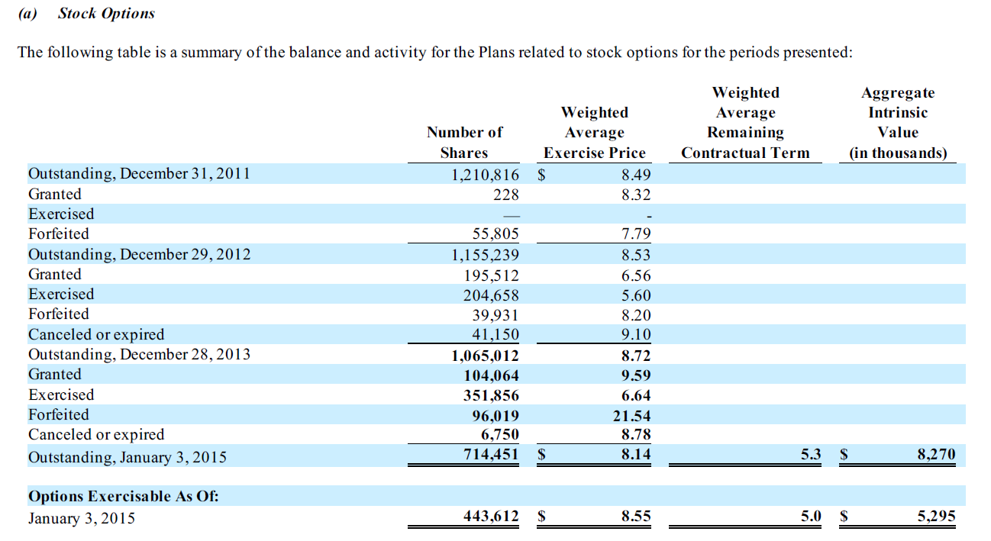

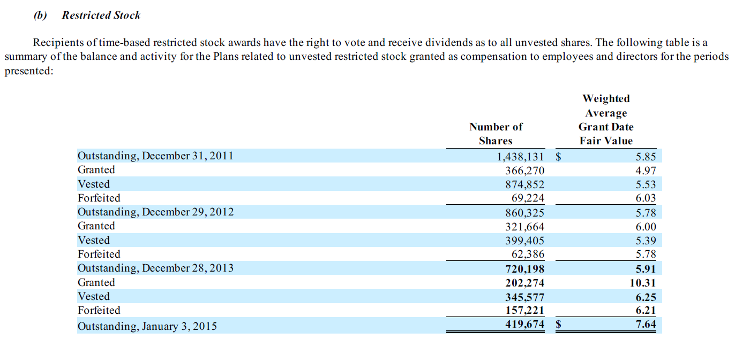

 | Basic shares outstanding MM | 17.4
 | Number of options | 0.7
 | Strike price | 8.1
 | Net new shares from options MM | 0.2
 | Net new shares from restricted stock MM | 0.0
 | Diluted shares outstanding MM | 17.6
 | Diluted equity value MM | 206.1

